Model

 |  |  |  | Fitting a continuous non-parametric second-order distribution to data

Technique: Fit a continuous second-order non-parametric distribution to data

 |  |  |  | 0.019898276218
Rank i |  | Order statistics | "Max range" | F(x) | Number of values | 43
Min: | Uniform Distr.: | 0 | 1.5754887542 | 0.019898276218
1 | 0.109 | 1.5754887542 | 1.5786724784 | 0.070348109189 | Estimated min | 0
2 | 0.009 | 1.5786724784 | 2.6162166133 | 0.17198732053 | Estimated max | 50.113817826
3 | 0.205 | 2.6162166133 | 3.0219784941 | 0.20417321516
4 | 0.513 | 3.0219784941 | 3.0600595429 | 0.21767158449 | Distribution | 6.9881340418
5 | 0.772 | 3.0600595429 | 3.9514199291 | 0.22299408071
6 | 0.575 | 3.9514199291 | 5.1890608787 | 0.2345344098 | Forecast | 6.9881340418
7 | 0.567 | 5.1890608787 | 5.2109902768 | 0.24649985303
8 | 0.104 | 5.2109902768 | 5.4666335547 | 0.29367459281
9 | 0.491 | 5.4666335547 | 6.1046536575 | 0.30829237292
10 | 0.469 | 6.1046536575 | 6.3604925256 | 0.32399347586
11 | 0.809 | 6.3604925256 | 6.4635955939 | 0.32846139984
12 | 0.646 | 6.4635955939 | 6.9105051295 | 0.33786462879
13 | 0.921 | 6.9105051295 | 6.930749767 | 0.33968967866
14 | 0.840 | 6.930749767 | 6.9596732957 | 0.34364039463
15 | 0.348 | 6.9596732957 | 6.9960088621 | 0.36790225166
16 | 0.738 | 6.9960088621 | 8.0318659771 | 0.37497439248
17 | 0.634 | 8.0318659771 | 8.237358706 | 0.38584688561
18 | 0.319 | 8.237358706 | 8.9956695315 | 0.41328017271
19 | 0.206 | 8.9956695315 | 9.2669606903 | 0.45062121831
20 | 0.109 | 9.2669606903 | 9.3516530564 | 0.50112658626
21 | 0.263 | 9.3516530564 | 9.7799158208 | 0.53054405941
22 | 0.074 | 9.7799158208 | 10.087568564 | 0.58529987704
23 | 0.328 | 10.087568564 | 10.927138634 | 0.60779214282
24 | 0.787 | 10.927138634 | 11.057931936 | 0.61269528992
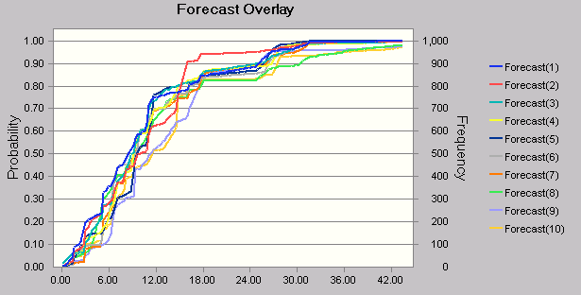
25 | 0.938 | 11.057931936 | 11.14504594 | 0.61407422428
26 | 0.957 | 11.14504594 | 11.433207055 | 0.6150807019
27 | 0.438 | 11.433207055 | 11.72983306 | 0.63444974807
28 | 0.262 | 11.72983306 | 13.266168417 | 0.66568737514
29 | 0.027 | 13.266168417 | 13.802917801 | 0.7416308846
30 | 0.016 | 13.802917801 | 14.747354324 | 0.81210398867
31 | 0.991 | 14.747354324 | 14.937049408 | 0.81225235494
32 | 0.832 | 14.937049408 | 16.079976171 | 0.81536860491
33 | 0.529 | 16.079976171 | 16.325311317 | 0.82676623785
34 | 0.935 | 16.325311317 | 17.515037082 | 0.8280643953
35 | 0.480 | 17.515037082 | 17.704521166 | 0.84312806747
36 | 0.257 | 17.704521166 | 18.081923726 | 0.87077237888
37 | 0.408 | 18.081923726 | 24.804266015 | 0.88871168993
38 | 0.301 | 24.804266015 | 25.928147681 | 0.91245449897
39 | 0.177 | 25.928147681 | 26.89134354 | 0.94317734207
40 | 0.613 | 26.89134354 | 27.8694906 | 0.95173695675
41 | 0.255 | 27.8694906 | 29.862982884 | 0.97564336779
42 | 0.983 | 29.862982884 | 31.701407378 | 0.97606370431
43 | 0.418 | 31.701407378 | 50.113817826 | 1
Max: |  | 50.113817826

